network ad group info
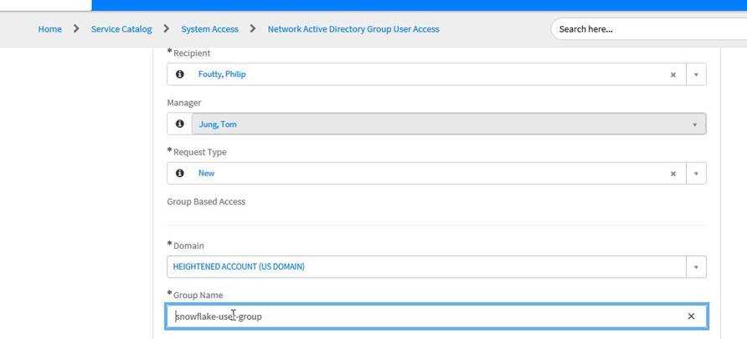
For access to Snowflake Sandbox/POC and Snowflake Dev/Test environments, you will need a heightened account (us domain) and that account will need to be added to the following Network AD Group:

US\snowflake-user-group

Below is an example of completing the SNOW ticket to get heightened account added to the proper Network AD Group:

